Travel -TVM
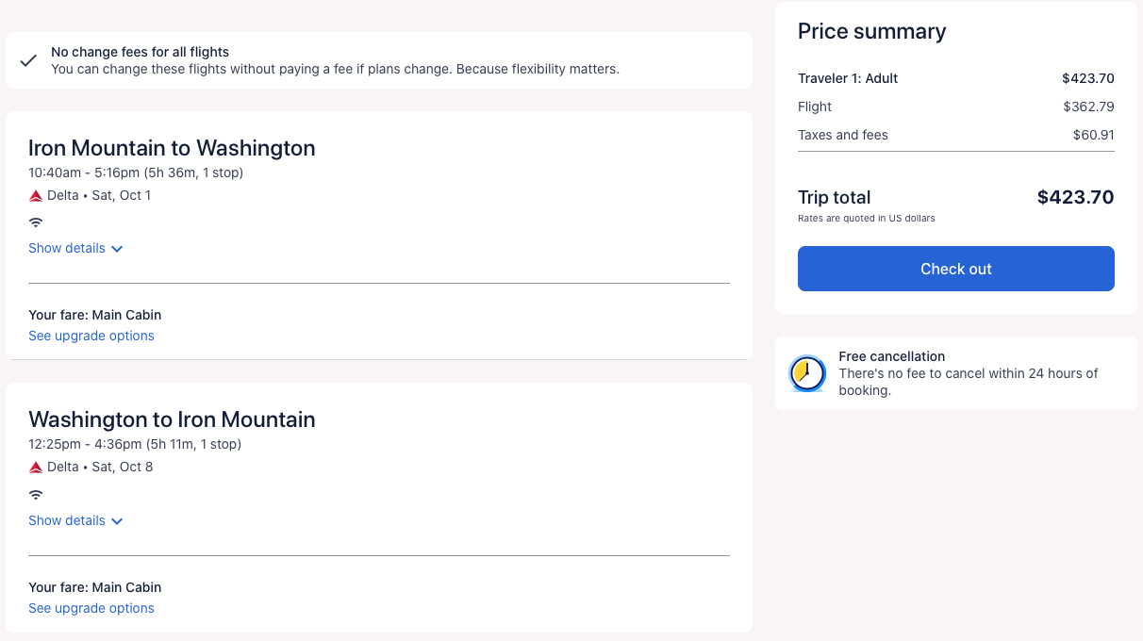
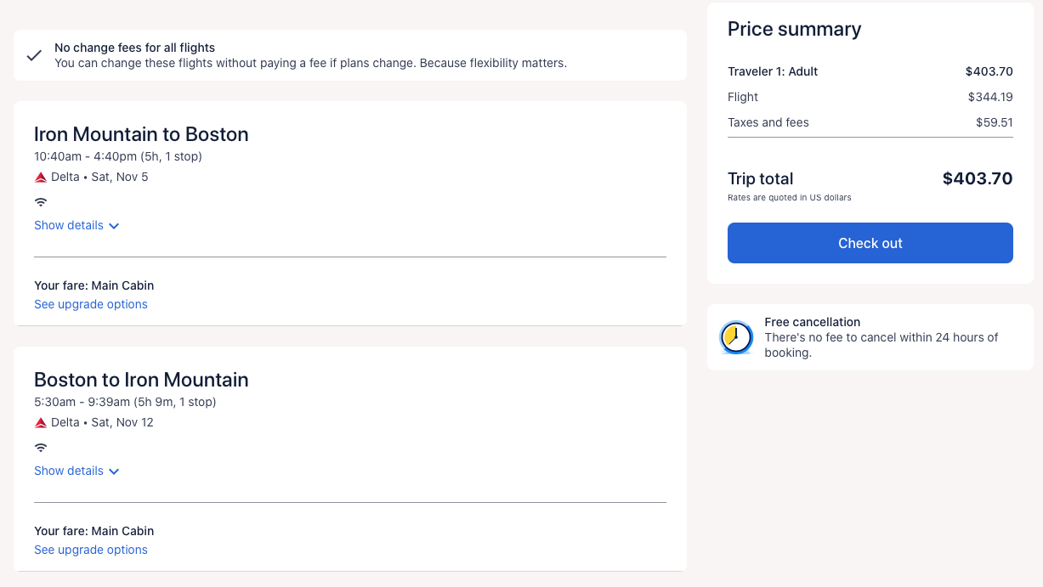
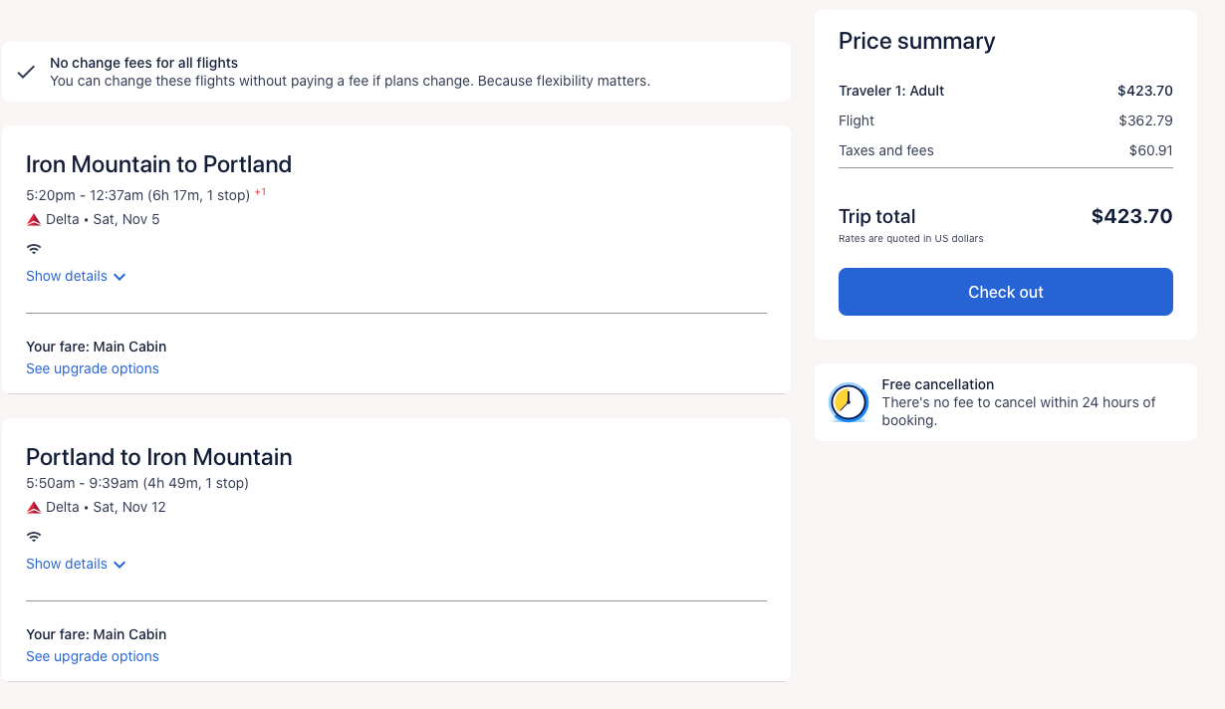
Y1 (Sep 2025 - Aug 2026) |  | Y2 (Sep 2026 - Aug 2027)

Total | $0.00 | Total | $0.00

